3 - U.S. and Chinese SV Chart
U.S. & Chinese Satellite Chart

Figure 2. U.S. and Chinese satellites placed in orbit each year.

Year | U.S. Not Starlink | U.S. Starlink | U.S. All Satellites | Chinese Satellites
1958 | 7 | 0 | 7 | 0
1959 | 12 | 0 | 12 | 0
1960 | 17 | 0 | 17 | 0
1961 | 34 | 0 | 34 | 0
1962 | 55 | 0 | 55 | 0
1963 | 55 | 0 | 55 | 0
1964 | 69 | 0 | 69 | 0
1965 | 90 | 0 | 90 | 0
1966 | 99 | 0 | 99 | 0
1967 | 83 | 0 | 83 | 0
1968 | 61 | 0 | 61 | 0
1969 | 61 | 0 | 61 | 0
1970 | 30 | 0 | 30 | 1
1971 | 45 | 0 | 45 | 1
1972 | 32 | 0 | 32 | 0
1973 | 24 | 0 | 24 | 0
1974 | 19 | 0 | 19 | 0
1975 | 28 | 0 | 28 | 3
1976 | 29 | 0 | 29 | 2
1977 | 20 | 0 | 20 | 0
1978 | 33 | 0 | 33 | 1
1979 | 17 | 0 | 17 | 0
1980 | 16 | 0 | 16 | 0
1981 | 17 | 0 | 17 | 3
1982 | 17 | 0 | 17 | 1
1983 | 28 | 0 | 28 | 1
1984 | 33 | 0 | 33 | 5
1985 | 30 | 0 | 30 | 1
1986 | 11 | 0 | 11 | 2
1987 | 11 | 0 | 11 | 2
1988 | 20 | 0 | 20 | 4
1989 | 24 | 0 | 24 | 0
1990 | 39 | 0 | 39 | 5
1991 | 31 | 0 | 31 | 1
1992 | 28 | 0 | 28 | 2
1993 | 30 | 0 | 30 | 2
1994 | 36 | 0 | 36 | 5
1995 | 36 | 0 | 36 | 0
1996 | 38 | 0 | 38 | 3
1997 | 81 | 0 | 81 | 5
1998 | 275 | 0 | 275 | 5
1999 | 33 | 0 | 33 | 3
2000 | 45 | 0 | 45 | 6
2001 | 31 | 0 | 31 | 2 | Datawrapper Version
2002 | 27 | 0 | 27 | 7
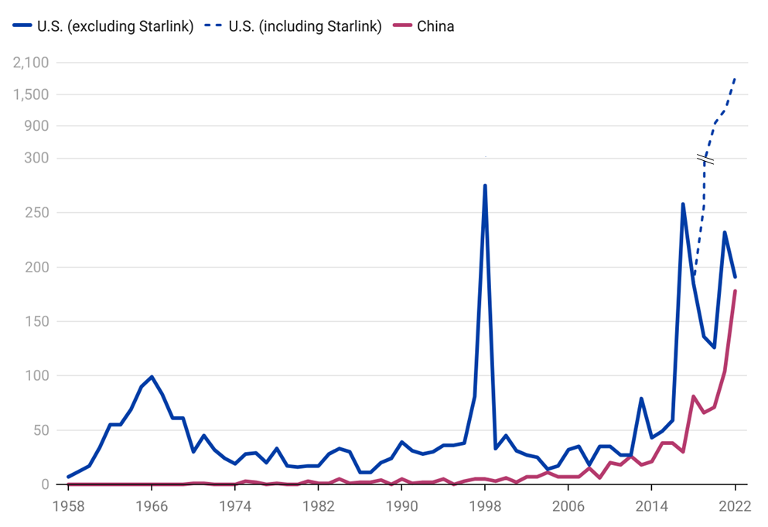
2003 | 25 | 0 | 25 | 7
2004 | 14 | 0 | 14 | 11
2005 | 17 | 0 | 17 | 7
2006 | 32 | 0 | 32 | 7
2007 | 35 | 0 | 35 | 7
2008 | 18 | 0 | 18 | 15
2009 | 35 | 0 | 35 | 6
2010 | 35 | 0 | 35 | 20
2011 | 27 | 0 | 27 | 18
2012 | 27 | 0 | 27 | 26
2013 | 79 | 0 | 79 | 18
2014 | 43 | 0 | 43 | 21
2015 | 49 | 0 | 49 | 38
2016 | 59 | 0 | 59 | 38
2017 | 258 | 0 | 258 | 30
2018 | 185 | 0 | 185 | 81
2019 | 136 | 120 | 256 | 66
2020 | 126 | 833 | 959 | 71
2021 | 232 | 989 | 1221 | 104
2022 | 191 | 1690 | 1881 | 178
Total | 3480 | 3632 | 7112 | 842

